Tax
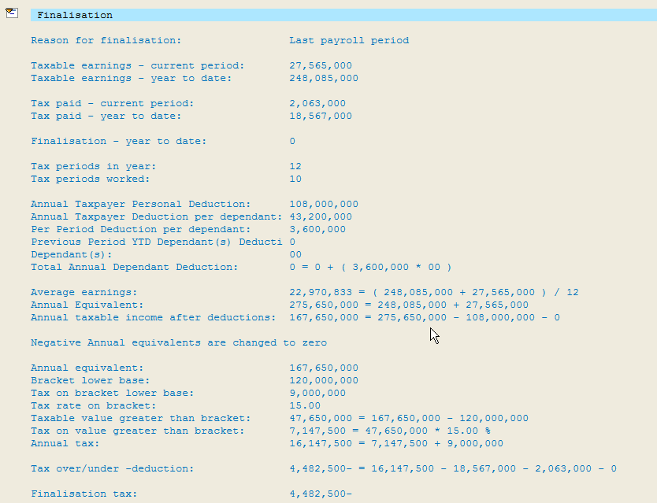
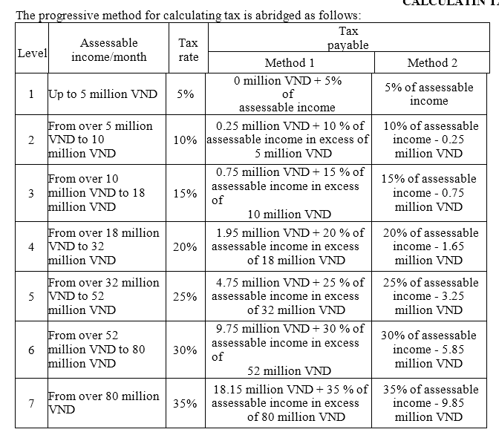
Tax office | Tax office text | Tax ID
 |  | Numerical
V_T7VN04
01 | Ha Noi (Hung Yen)
02 | Hai Phong | Not used at preset
03 | Da Nang | Not used at preset
04 | Ho Chi Minh | XXXXXXXXX-XXX
05 | Can Tho | Not used at preset

Normal Employees Tax Rate
Tax level | Yearly Taxable Income | Monthly Taxable Income | Tax rate (%) | Monthly | Yearly | Upper Bound | Tax on Income: Year
1 | Up to 60 | Up to 5 | 5 | 1 – 5,000,000 | 1 – 60,000,000 | 0 | 0
2 | Over 60 up to 120 | Over 5 up to 10 | 10 | 5,000,001 | 60,000,001 | 250,000 | 3,000,000
3 | Over 120 up to 216 | Over 10 up to 18 | 15 | 10,000,001 | 120,000,001 | 750,000 | 9,000,000
4 | Over 216 up to 384 | Over 18 up to 32 | 20 | 18,000,001 | 216,000,001 | 1,950,000 | 23,400,000
5 | Over 384 up to 624 | Over 32 up to 52 | 25 | 32,000,001 | 384,000,001 | 4,750,000 | 57,000,000
6 | Over 624 up to 960 | Over 52 up to 80 | 30 | 52,000,001 | 624,000,001 | 9,750,000 | 117,000,000
7 | Over 960 | Over 80 (approx USD5K) | 35 | 80,000,001 | 960,000,001 | 18,150,000 | 217,800,000

Flat Rate For Some Employees:
Client needs to provide correct value in IT9520, ADP will populate correct flat rate

ADP Fields | Combination A | Combination B | Combination C | Combination D | Combination E | Combination F | Combination G | Combination H | Combination I | Combination J | Combination K | Combination L
Nature Of Person | 01 Resident | 01 Resident | 01 Resident | 01 Resident | 01 Resident | 01 Resident | 02 Non-Resident | 02 Non-Resident | 03 Resident w/o taxcode | 03 Resident w/o taxcode | 03 Resident w/o taxcode | 03 Resident w/o taxcode
Nationality | 01 Vietnamese | 01 Vietnamese | 01 Vietnamese | 02 Foreigner | 02 Foreigner | 02 Foreigner | 02 Foreigner | 02 Foreigner | 01 Vietnamese | 01 Vietnamese | 01 Vietnamese | 02 Foreigner
Employment Category | 01 Labor Contract | 02 W/O Labor Contract | 03 Probation | 01 Labor Contract | 02 W/O Labor Contract | 03 Probation | 01 Labor Contract | 03 Probation | 01 Labor Contract | 02 W/O Labor Contract | 03 Probation | 01 Labor Contract
Result | Progressive Tax Rate | 10% Flat Rate | Progressive | Progressive Tax Rate | 10% Flat Rate | 10 % Flat Rate | 20% Flat Rate | 20 % Flat Rate | Progressive Tax Rate | 10% Flat Rate | 10% Flat Rate | Progressive Tax Rate
Lower Bound of Income per Month |  | If taxable income is <2,000,000, no Tax will be deducted | If taxable income is <2,000,000, no tax will be deducted |  | If taxable income is <2,000,000, no tax will be deducted | If taxable income is <2,000,000, no tax will be deducted | NA - Flat rate | NA - Flat rate |  | If taxable income is <2,000,000, no tax will be deducted | If taxable income is <2,000,000, no tax will be deducted

Below Deduction will be applicable only for Progressive Tax Rate

Personal Ded. /M | Personal Ded. /Y | Dependent Ded./M | Dependent Ded./Y
9,000,000 | 108,000,000 | 3,600,000*N | 43,200,000*N

Tax Methods
1. Progressive Tax Rate
2. Flat Rate

Progressive Tax Rate |  |  |  |  | Flat Rate
Taxable Earnings | Stored in WT /106 |  |  |  | Taxable Earnings | Stored in WT /106

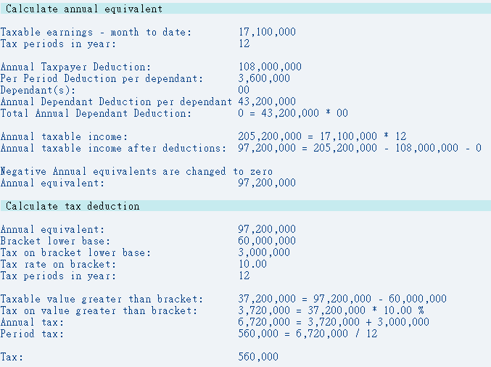
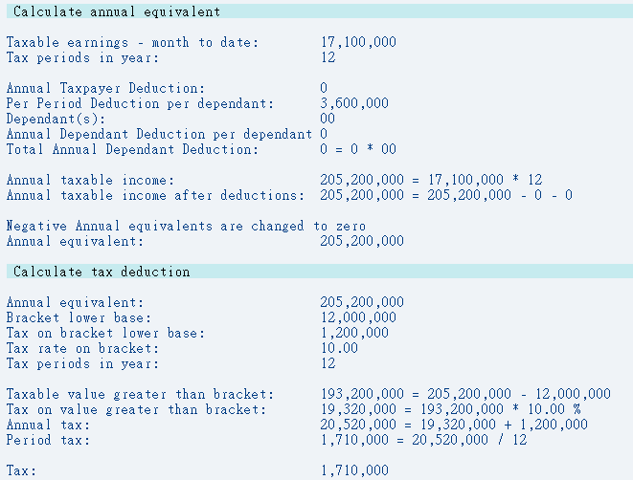

Tax Finalisation Log

